501 First Residences - MIAMI
He

 | 501 First Residences - MIAMI
 | 121 NE 5th Street - Miami, FL 33132

 | GATE
 | Gate Access | IMPORTANT INFO
 | https://app.getlynx.co/properties | Login: info@mastervacationhomes.com
 |  | Password: MasterMiami1618!

 |  | The Confirmation letter must be edited manually

 |  | Could you please write here in the Airbnb chat the name of everyone in your party and your email address? I want to make sure you are registered for your stay. There will be no keys. You will have your own door code.

 | DOOR CODE
 | Door code | IMPORTANT INFO
 | Door code 118311 (BackUp (Lissandra`s door code) | The Confirmation letter must be edited manually and the door code must be created before confirmation letter be sent

 | Door code must be created before confirmation letter be sent
 | https://app.getlynx.co/properties
 | Login: info@mastervacationhomes.com
 | Password: MasterMiami1618!

 | CONTACTS
 | House address | Phone number | Website / E-mail
 | 121 NE 5th St - unit 3108 - Miami, Florida 33132

 | COMMUNITY AMENITIES
 | Location | Hours | Access / Code | Court
 | 121 NE 5th Street - Miami, FL 33132 |  | There is a Key Fob nest to the thermostat
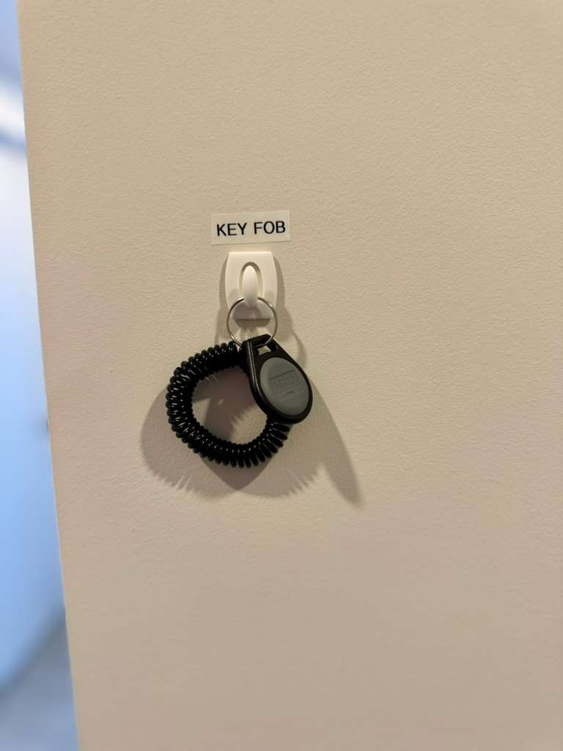

 | POOL
 | Pool Guy | Weekday

 | TRASH
 | Location | Days
 | All trash must be securely wrapped in plastic garbage bags and sent down the trash chute. Cardboards and boxes of any size may not be thrown down the trash chutes.

 | PARKING
 | Info | Parking Spot
 | Third-party valet company | $50 a day. Price subject to change without notice. Valet parking services provided by a third-party valet company at 501 First Residences. Parking building on the same street using Pay by phone app.

 | PACKAGES
 | Mail/Packages
 | There is no mail access for online purchases.

 | PETS
 | Pet Friendly

 | ELETRIC CAR
 | CHARGER

Lucaya Village
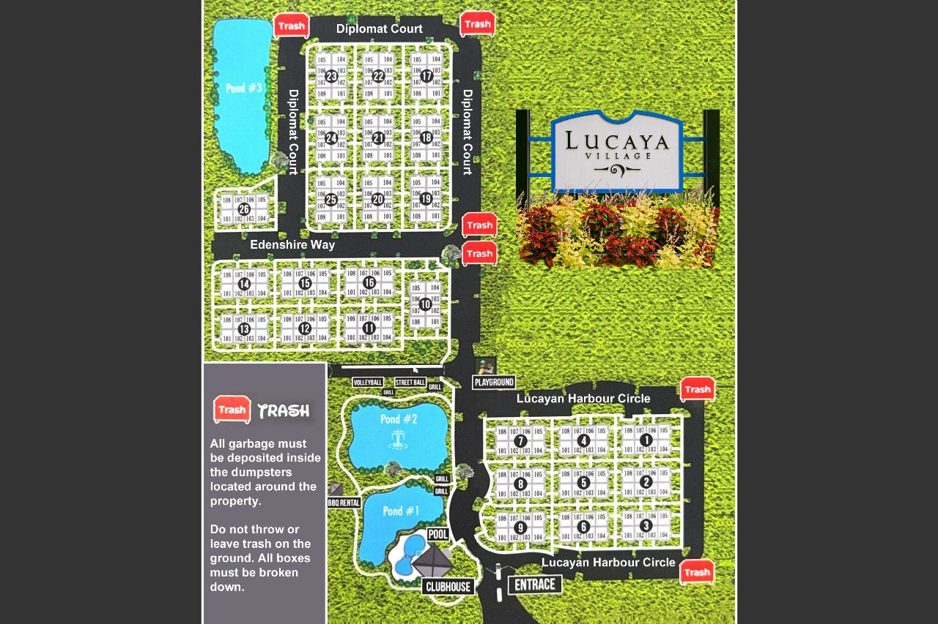
LUCAYA VILLAGE

GATE
Gate Access | Login
Gate Code for October: 2293 | -
Codes 4974, 2293, 5484, 7629, 4485 | 5484

CONTACTS
Club House address | Phone number | Website / E-mail
3040 Polynesian Isle Blvd, Kissimmee, FL 34746 | 321-203-3570 | -

COMMUNITY AMENITIES
Location | Hours | Access / Code | Court
Pool (Heated) | 8AM-9PM | - | -
Fitness center | 07:00AM - 10PM | - | -
Game room | 07:30AM - 10PM | - | -

POOL
Pool Guy | Weekday
- | No pool

TRASH
Location | Days
Dumpster on Every corner, | -
Dumpster on Yellowgold, | -
Diplomat court (phase 2) Lucayan Harbour circle | -

PARKING
Cars Allowed? | Parking Spot
Yes | Parking Spot on the street
 | Trailer or RVs are not allowed

PACKAGES
Mail/Packages
Regarding deliveries at Lucaya Village Resort: the clubhouse holds packages for up to 10 days. If you’re expecting any deliveries, you can pick them up directly at the clubhouse during their operating hour.

PETS
Pet Friendly
No

ELETRIC CAR
CHARGER
Yes

Reunion
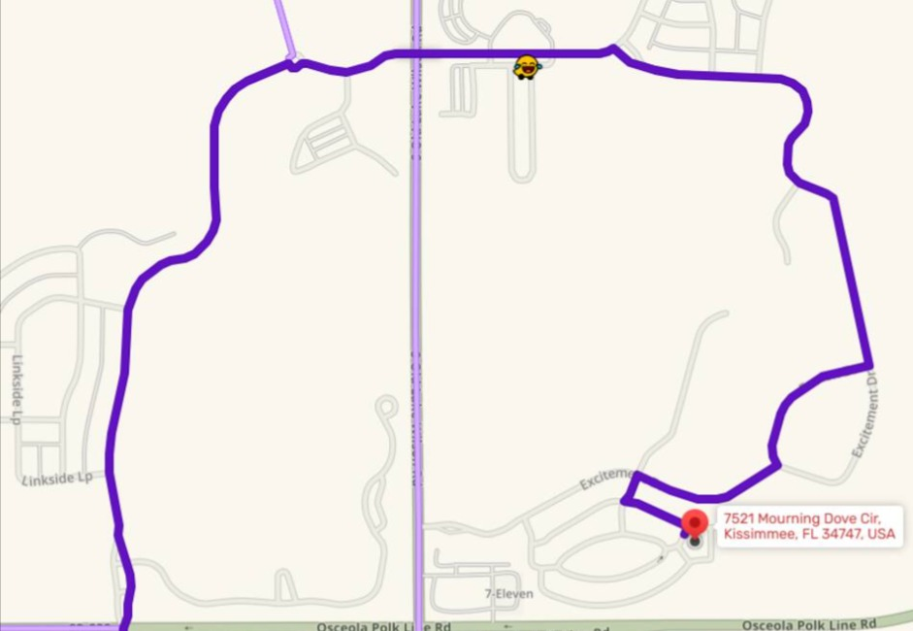

REUNION

GATE
Gate Access | Login | *Code to enter the building through the glass door
Attendant / Gate System | - | 2121#

CONTACTS
Club House address | Phone number | Website / E-mail
Club House |  | No Access | Caminho alternativo Reunion Blvd, Kissimmee, FL 34747 https://maps.app.goo.gl/hMRVwourLMQkv4288

COMMUNITY AMENITIES
Location | Hours | Access / Code | Court

POOL
Pool Guy | Weekday
William | Fridays

TRASH
Location | Days
 | Regular - Mon,Thu,Sat / Recycle - Wed / Bulk - Thu

PARKING
Cars Allowed? | Parking Spot

PACKAGES
Mail/Packages
NO PACKAGES

PETS
Pet Friendly

ELETRIC CAR
CHARGER
No

Storey Lake - Phase 2
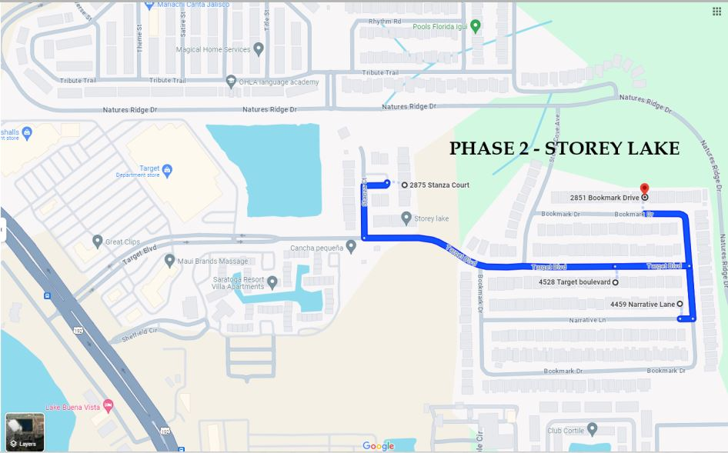
STOREY LAKE - PHASE 2
(Stanza, Narrative, Target, Bookmark, Storey Cove)

GATE
Gate Access | Gate house info
Gate Access / 1967 (Pedestrian gate) | Main Gate II* First Gate: 4674 Target Blvd, Kissimmee, FL 34746
 | Main Gate II* Second Gate: 2894 Storey Cove Ave, Kissimmee, FL 34746
 | *** Both of these gates are also unstaffed. Guests should proceed directly to this gate and use their QR code or contact Security for access.
Shuttle Service is available to all Guest to and from the unit* | Call (407) 279 -8999 for a ride
CONTACTS
Address | Phone number | Website / E-mail
First Gate: 4674 Target Blvd, Kissimmee, FL 34746 | 407-787-8700
Second Gate: 2894 Storey Cove Ave, Kissimmee, FL 34746 | Vening Security Patrol: 863-337-1622

COMMUNITY AMENITIES
Location | Hours | Access / Code | Court
Clubhouse (4636 Target Blvd, Kissimmee) | 10AM - 6PM | Confirmation Letter | Volleyball
Fitness Center | 10AM - 10PM | 67096 | Basketball
Game Room | 11AM - 9PM
Pool*** Area | 9AM - 9PM | Target Pool: 67500 / Terrace Pool: 6750
Kayak |  | $15 / 30min
Mini Golf |  | $7 adults $5 for kids
Cart Golf - FREE - Club house - (407) 279-8999

***POOL ADDRESS: 4636 Target Blvd, Kissimmee, FL 34746

POOL
Pool Guy | Weekday
Sunshine Pools - Renato | ??? - Narrative, Stanza, Target, Bookmark, Storey Cove

TRASH
Location | Days
Bench - Outside in front of the main door | Daily

PARKING
Parking Regulations
- Guest Parking Passes: Parking passes are not required for guest vehicles. However, all vehicles must comply with posted parking rules.
- Vehicle Limit Per Property: 3 to 4 vehicles per property, depending on the driveway size. Street parking is not a substitute for driveway space.
- Overflow Parking: esignated overflow parking areas are available throughout the community. These are marked and typically located near common areas or pools.
- Street Parking: Street parking is not permitted overnight and may be subject to towing. Guests should park only in designated areas or driveways.
- Vehicle Size Restrictions: Oversized vehicles such as RVS, trailers, or large commercial trucks are not permitted. - Small passenger vans (e.g., 12-passenger vans) are generally allowed as long as they fit within the property’s parking space and do not obstruct traffic.

PACKAGES
Mail/Packages
Packages are delivered straight to the house. Clubhouse No/ USPS No

PETS
Pet Friendly
Yes

ELETRIC CAR
CHARGER
No

Storey Lake - Phase 3
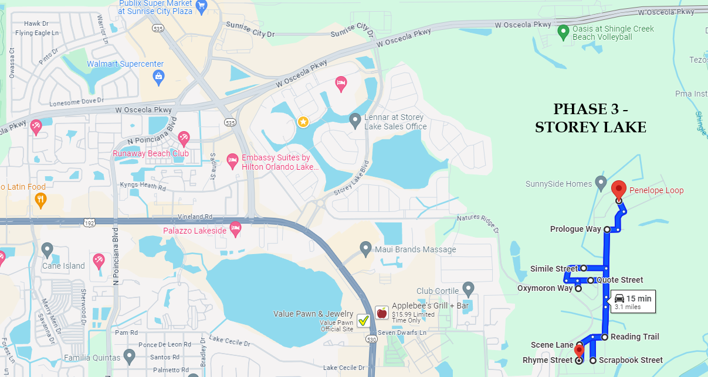
east

 | STOREY LAKE - PHASE 3
 | (Reading Trail, Scrapbook St, Penelope, Protagonist St, Paragraph Dr, Prologue Way, Scene Lane, Quote St, Oxymoron Way, Simile St and Rhyme St)

 | GATE - Only 1 Gate
 | Gate Access | Gate house info
 | Gate Access - Attendant 24H | *Main Gate Phase 3 Location: Natures Ridge Dr with Semicolon Av. (407) 201 - 4153
 |  | *This main gate is staffed 24/7. Guests can enter here using the far-right lane and scan their QR code. This is a good gate to direct guests to if they experience difficulty at the side gates.

 |  | Shuttle Service is available to all Guest to and from the unit* | Call (407) 279 -8999 for a ride
 | CONTACTS
 | Address | Phone number | Website / E-mail
 | (No exact address for this gate) | 407-787-8700
 | Clubhouse - 2700 Reading Trail, Kissimmee, FL 34746 | vening Security Patrol: 863-337-1622

 | COMMUNITY AMENITIES
 | Location | Hours | Access / Code | Court
 | BROSON CLUB - Club House | 9AM - 9PM | For registration, please have your | Basketball
 | Pool Area | 9AM - 9PM | confirmation of stay or QR code
 | Outdoor Table Tenis | 9AM - 9PM | in hand and be prepared to present
 | Game Room with Pool Table, Cards Table, Chess Board | 9AM - 9PM | documents to concierge
 | Fitness Center (2700 Reading Trail, Kissimmee) | 9AM - 9PM
 | Cart Golf - FREE - Club house - (407) 279 -8999 | 9AM - 9PM
 |  | 9AM - 9PM

 | POOL
 | Pool Guy | Weekday
 | Garcia Pool- Rodrigo | Tuesday - Quote, Simile, Scrapbook, Rhyme, Scene, Reading, Oxymoron
 | Supreme Pools - Breno | Monday - Prologue, Protagonist, Paragraph and Penelope

 | TRASH
 | Location | Days
 | Bench - Outside in front of the main door | Daily

 | PARKING
 | Parking Regulations
 | - Guest Parking Passes: Parking passes are not required for guest vehicles. However, all vehicles must comply with posted parking rules.
 | - Vehicle Limit Per Property: 3 to 4 vehicles per property, depending on the driveway size. Street parking is not a substitute for driveway space.
 | - Overflow Parking: esignated overflow parking areas are available throughout the community. These are marked and typically located near common areas or pools.
 | - Street Parking: Street parking is not permitted overnight and may be subject to towing. Guests should park only in designated areas or driveways.
 | - Vehicle Size Restrictions: Oversized vehicles such as RVS, trailers, or large commercial trucks are not permitted. - Small passenger vans (e.g., 12-passenger vans) are generally allowed as long as they fit within the property’s parking space and do not obstruct traffic.

 | PACKAGES
 | Mail/Packages
 | Packages are delivered straight to the house. Clubhouse No/ USPS No

 | PETS
 | Pet Friendly
 | Yes

 | ELETRIC CAR
 | CHARGER
 | No

Venetian Bay
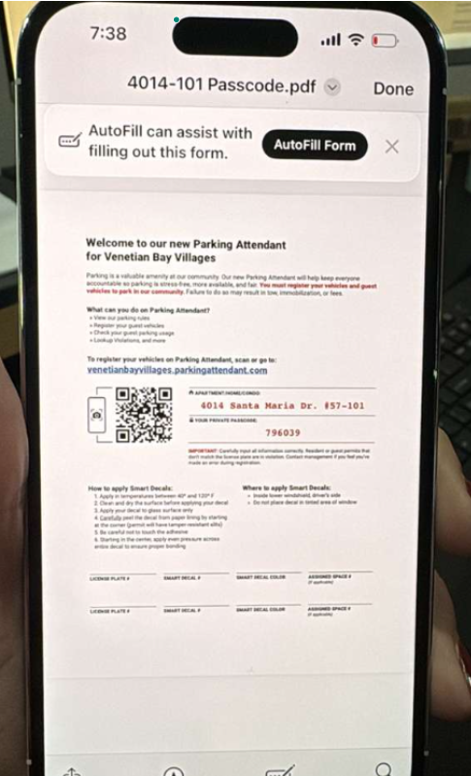
solt

 | Venetian Bay

 | GATE
 | Gate Access | Login
 | https://venetianbayvillages.parkingattendant.com/y4fn7q9psd2anehba0djpahb6w/permits/temporary/new?policy=4a2a3tf0jx06s5dftyedt4p8x44 | Gate Access

 | CONTACTS
 | Club House address | Phone number | Website / E-mail
 | 4001 Venetian Bay Dr, Kissimmee, FL 34741 | 14073434933

 | COMMUNITY AMENITIES
 | Location | Hours | Access / Code | Court
 | 4001 Venetian Bay Dr, Kissimmee, FL 34741

 | POOL
 | Pool Guy | Weekday

 | TRASH
 | Location | Days

 | PARKING
 | Cars Allowed? | Parking Spot

 | PACKAGES
 | Mail/Packages

 | PETS
 | Pet Friendly

 | ELETRIC CAR
 | CHARGER

Windsor Cay
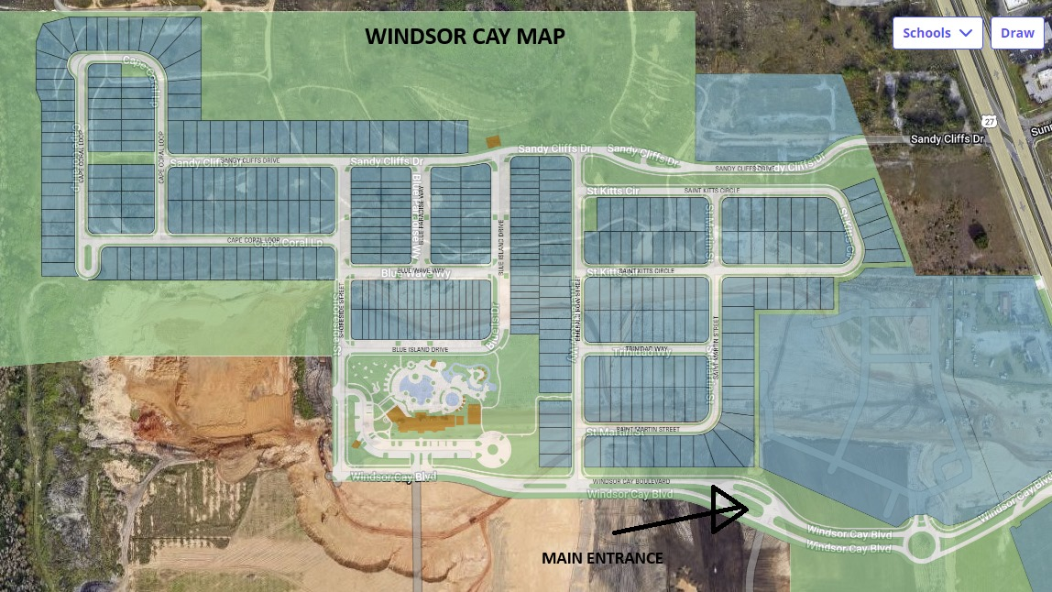

WINDSOR CAY

GATE
Gate Access | Login
No Gate | -
Gate Support: support@symliv.com

CONTACTS
Club House address | Phone number | Name | Email | Phone Number
1217 Emerald Row Wy, Clermont, FL 34714 | (407)-216 -1420 or (407)-259-6211 | Symliv (Gate acess support) | support@symliv.com
Send the guests to the Windsor cay blvd, direct themselves to the gate with a guard and they present their ID to the guard |  | Katie Tamanini (Clubhouse Manager - Castle Group) | ktamanini@castlegroup.com | 352-432-3022
 |  | Charisse Harendza (Community Association Manager, LCAM | Castle Group) | charendza@castlegroup.com

COMMUNITY AMENITIES
Location | Hours | Access / Code | Court

 |  | Information in Gate access sheet
The Reef Club | 8:00 AM – 8:00 PM Blue Lagoon Tavern & Grille | 11:00 AM – 7:00 PM Pool Deck & Water Amenities | 10:00 AM – 7:00 PM Mini Golf, Cornhole & Volleyball | 10:00 AM – 7:00 PM |  | Information in Gate access sheet

POOL
Pool Guy | Weekday
Supreme Pools - Breno | ???

TRASH
Location | Days
Single family - Trash bin | Daily

PARKING
Cars Allowed? | Parking Spot
Yes | Townhome = Shared Surface Parking
No commercial or recreational vehicles, No trailers or boat | Single Family = 2 Vehicles in the garage and 2 in the driveway

 | 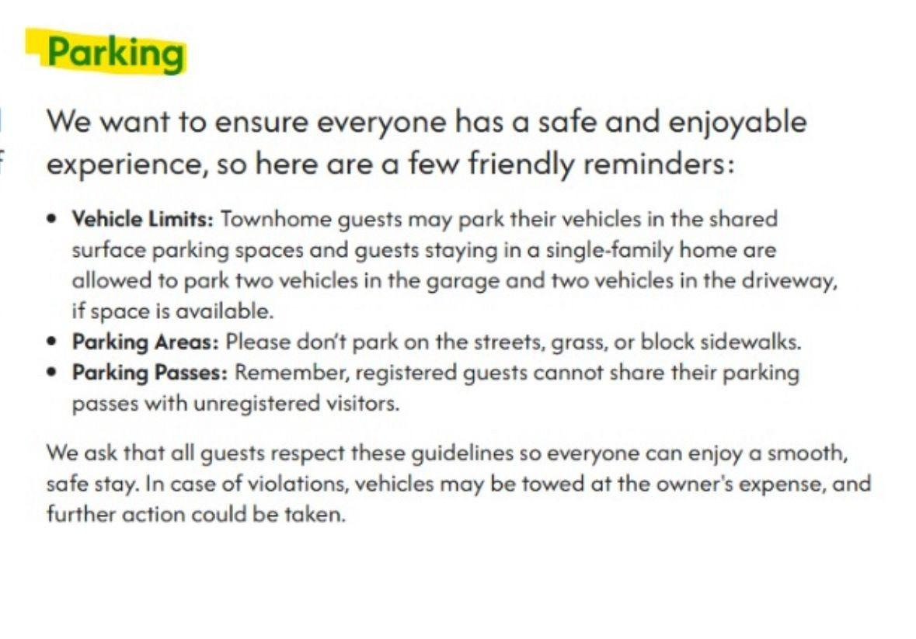

PACKAGES
Mail/Packages
Packages from UPS and Amazon are delivered straight to the house.
USPS are sent back.

PETS
Pet Friendly

ELETRIC CAR
CHARGER
No

